LB_TC_ERR_001
STEP | PROCESS | LB_TC_001
0 | Upload LockBox File |  | 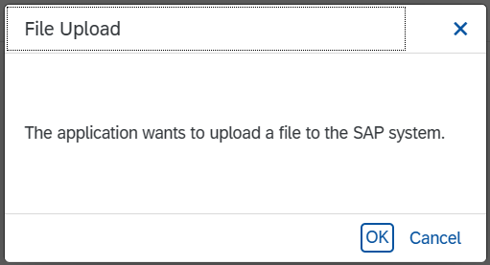
1 | Manage LockBox Batches | 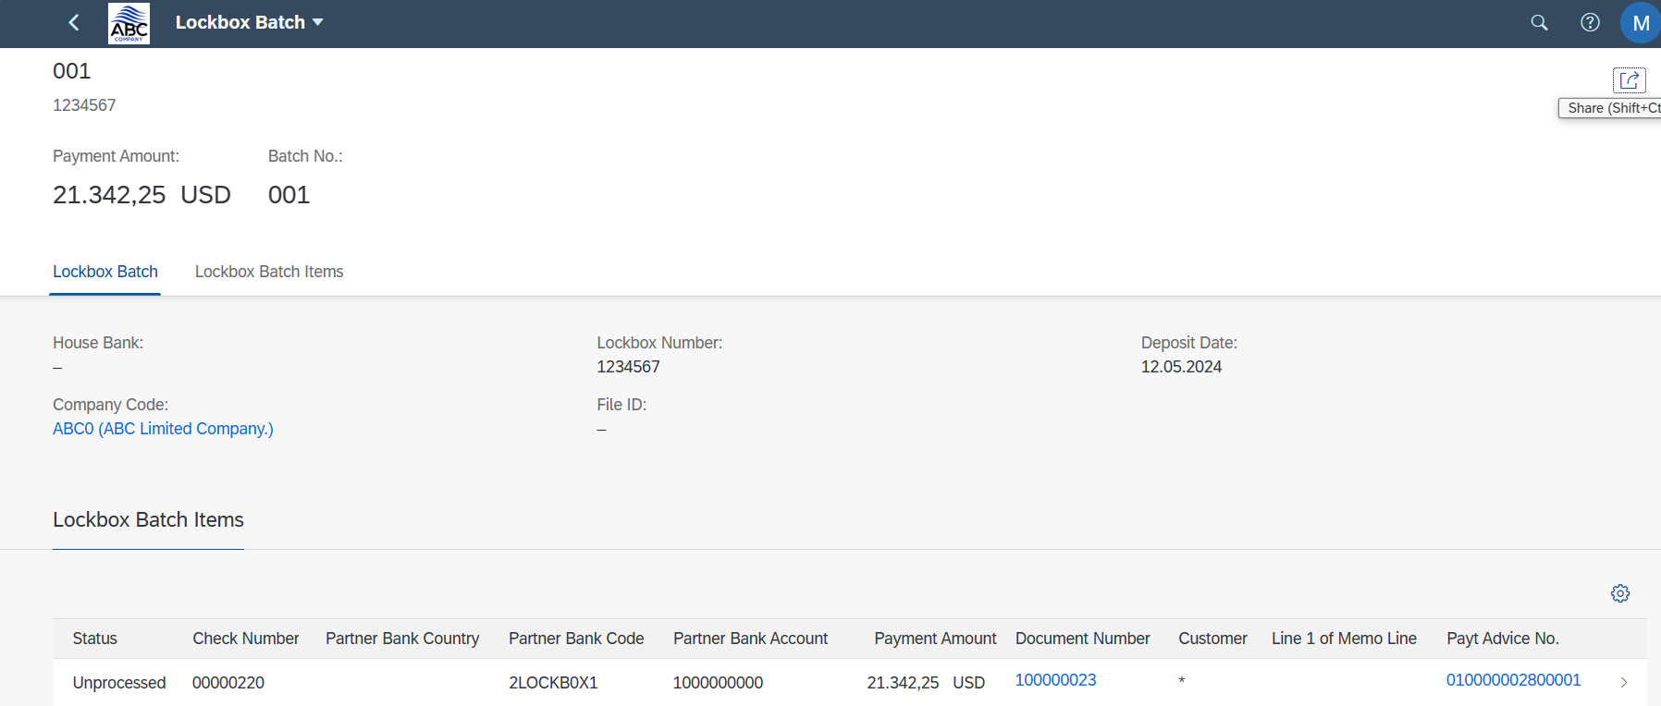

LB_TC_002
STEP | PROCESS | LB_TC_002
0 | Upload LockBox File |  |  | 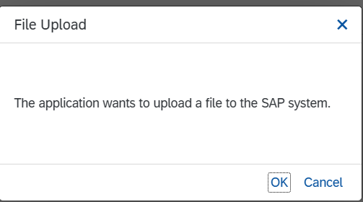 | 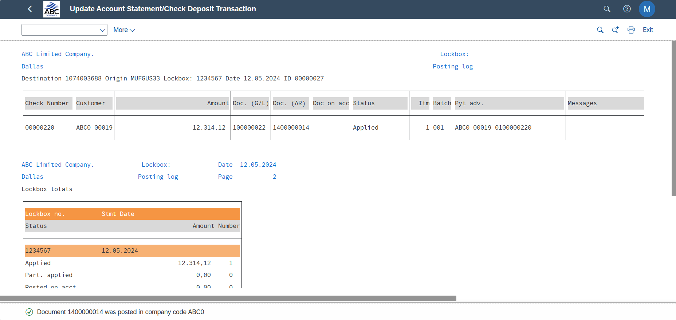
1 | Manage LockBox Batches |  | 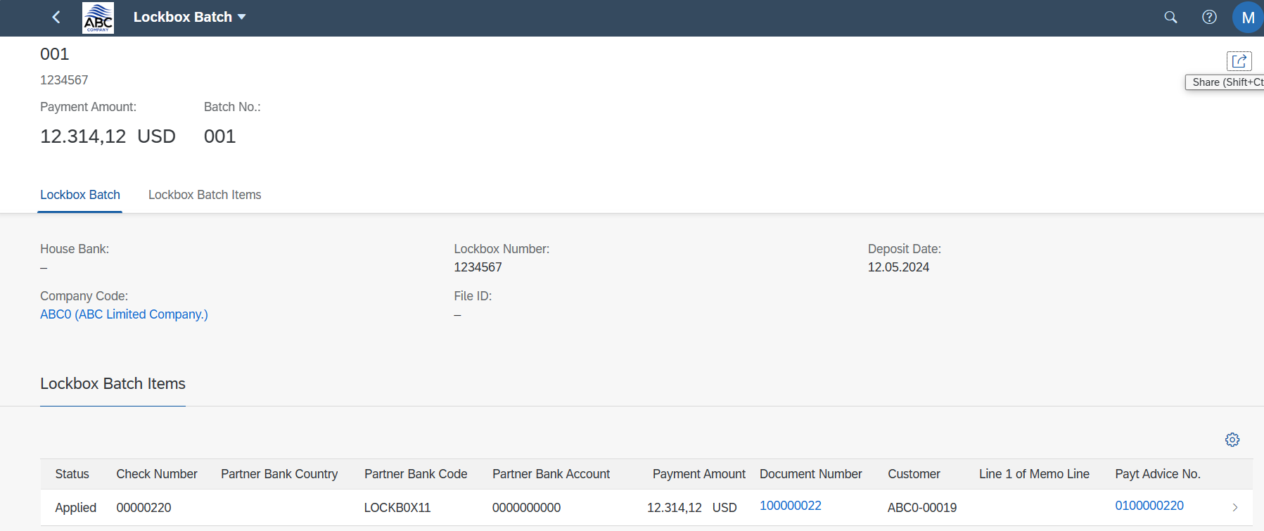
2 | Manage Customer Line Item | 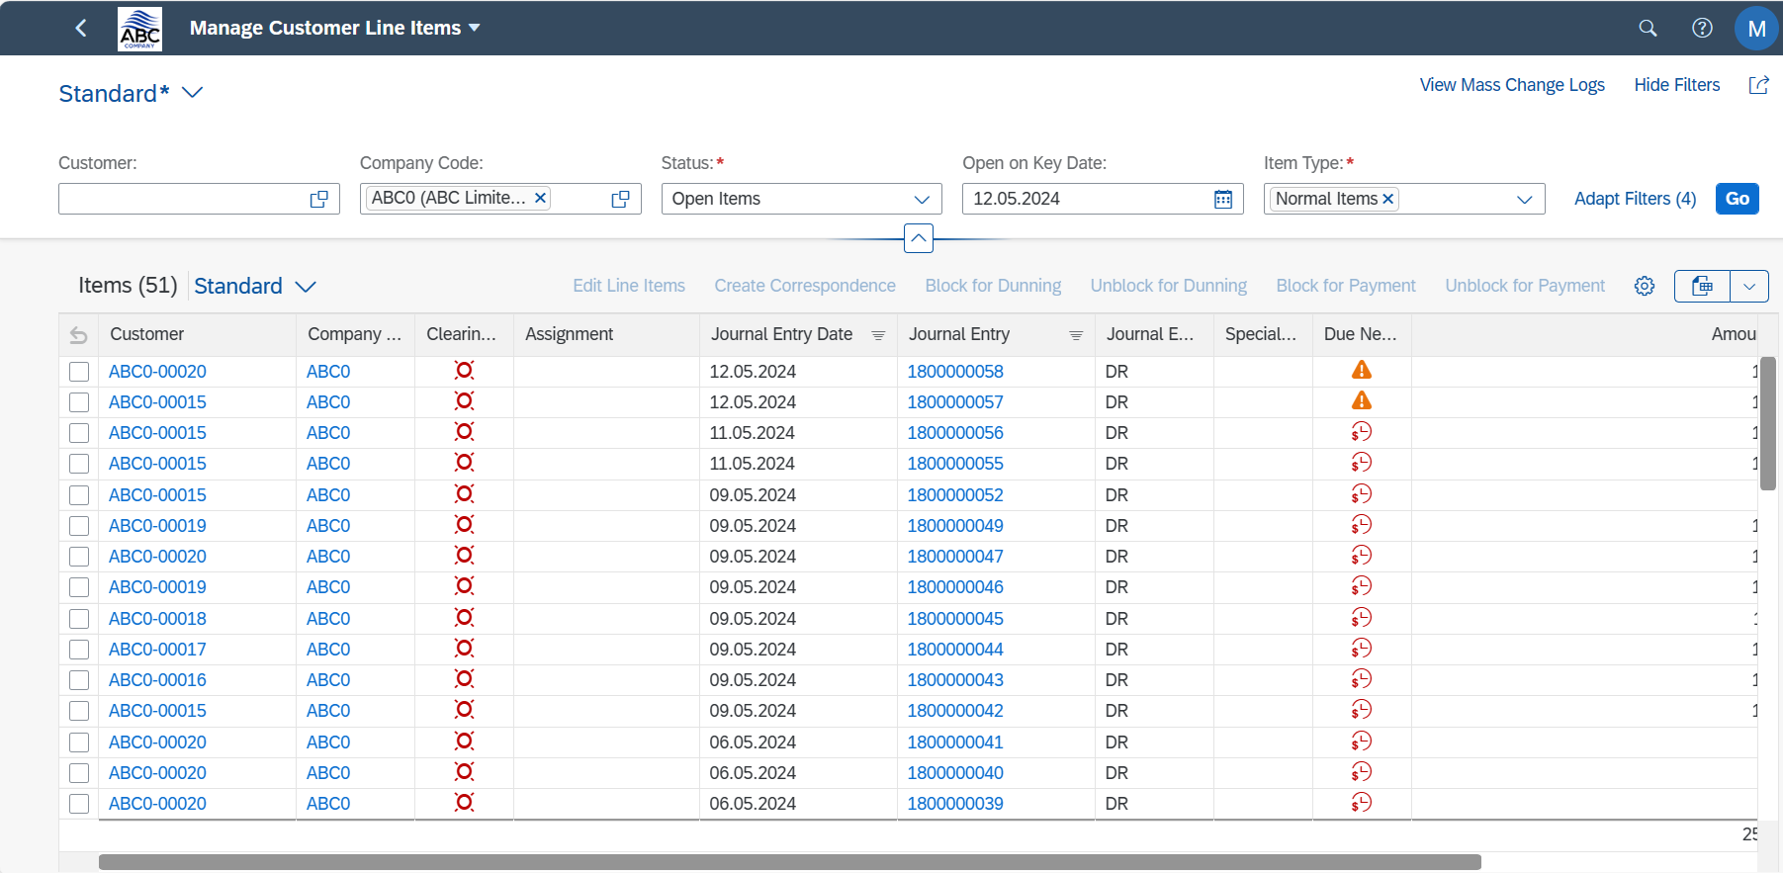

LB_TC_003
STEP | PROCESS | LB_TC_003
0 | Upload LockBox File
1 | Manage LockBox Batches
2 | Reprocess LockBox Item | 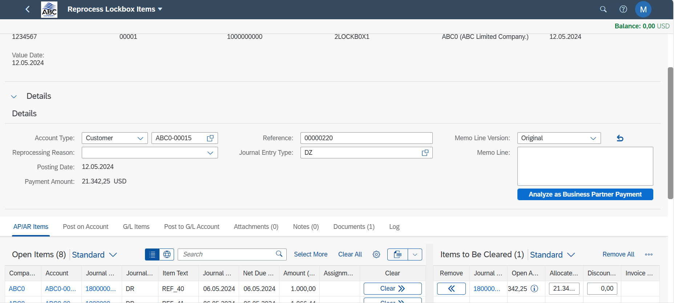 | 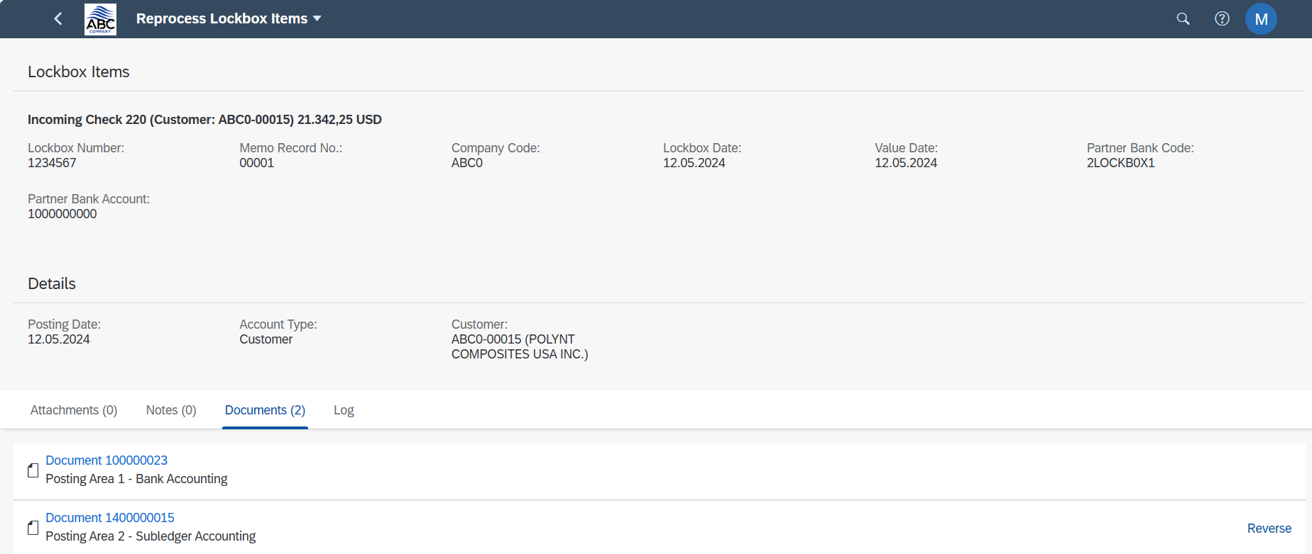
3 | Manage Customer Line Item | 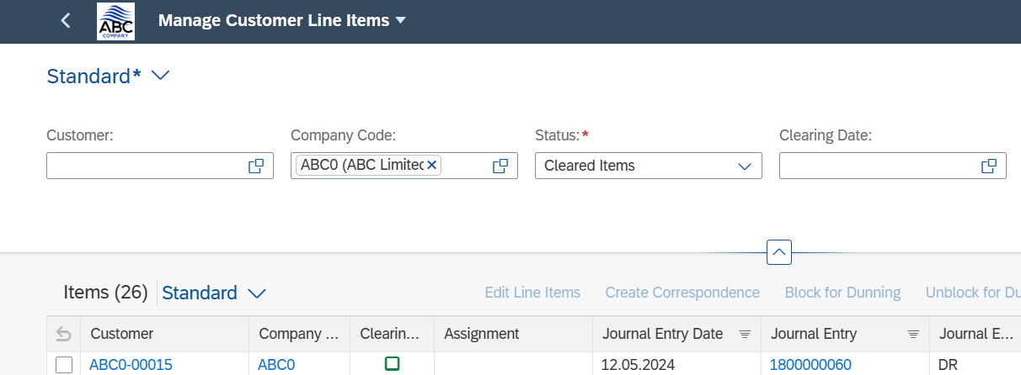

LB_TC_004
STEP | PROCESS | LB_TC_004
0 | Upload LockBox File
1 | Manage LockBox Batches
2 | Clear Open Item Automatically | 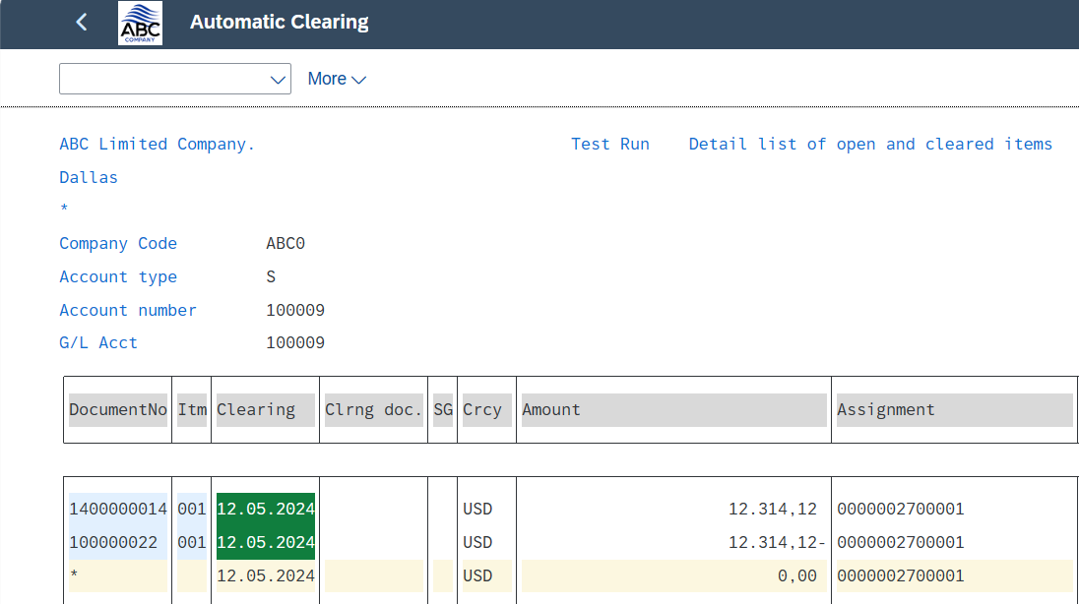
3 | Manage Customer Line Item | 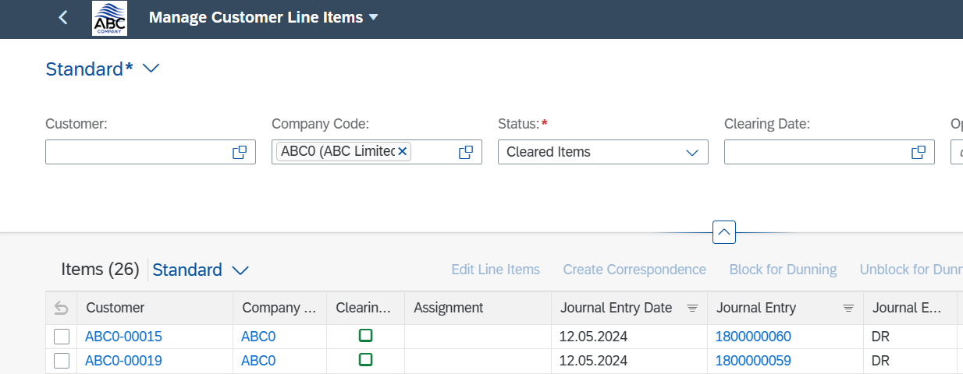

LB_TC_005
STEP | PROCESS | LB_TC_005
0 | Upload LockBox File |  |  | 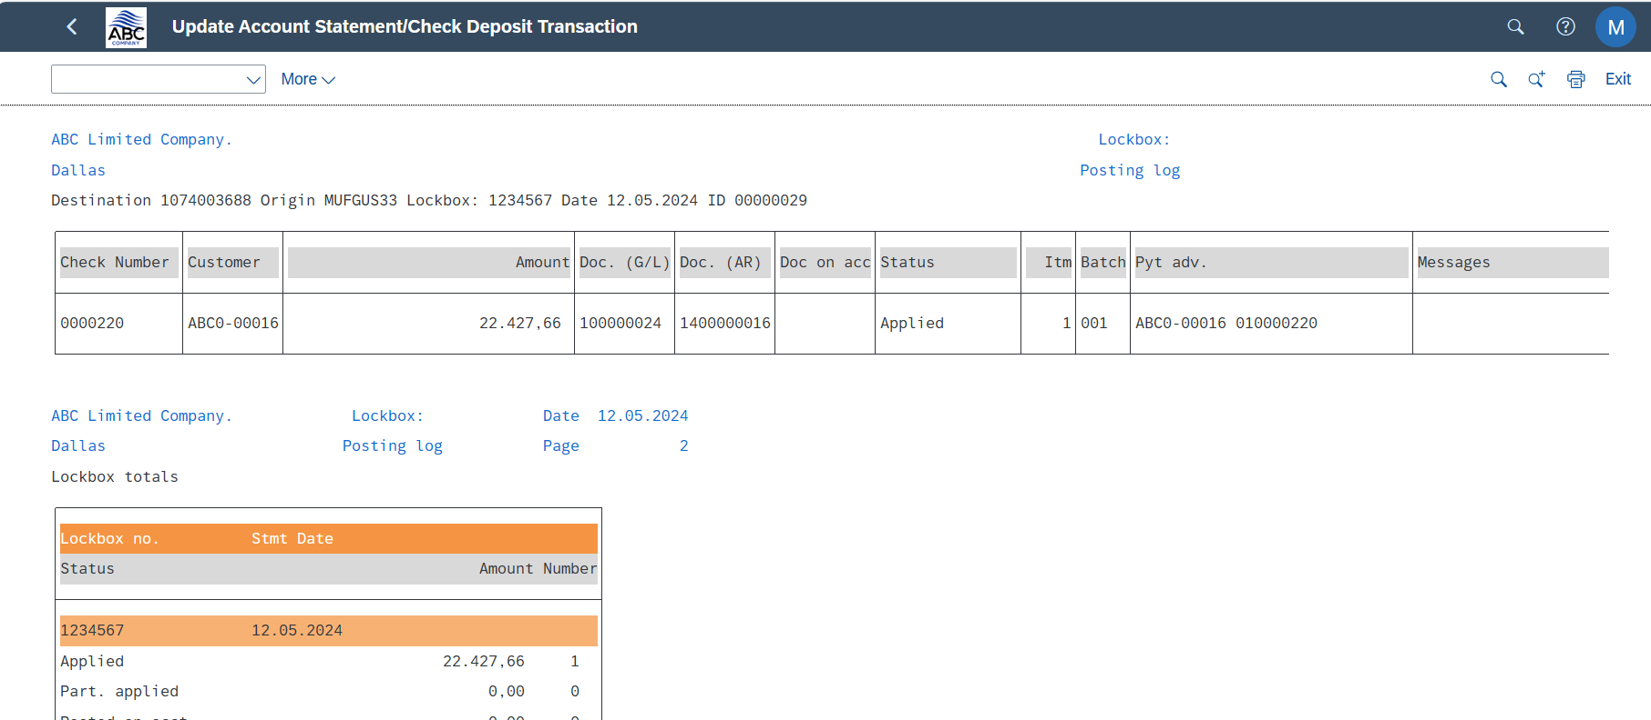
1 | Manage LockBox Batches |  | 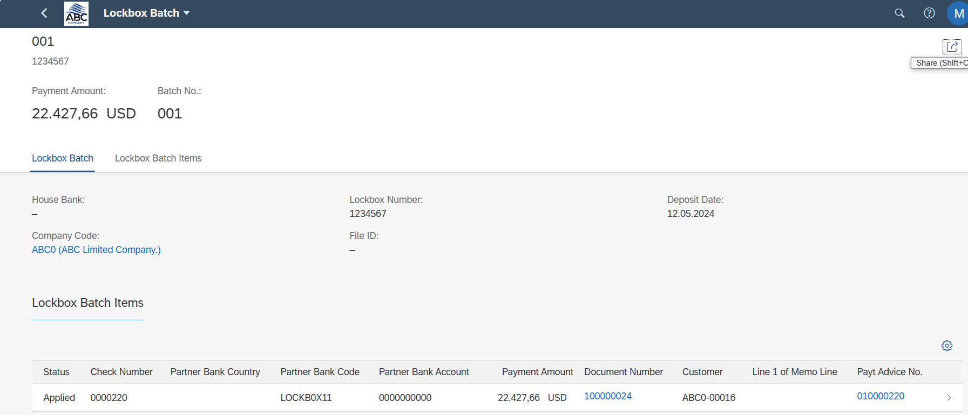
2 | Manage Customer Line Item | 